Grid Filter design
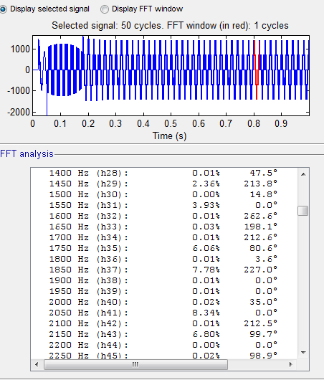
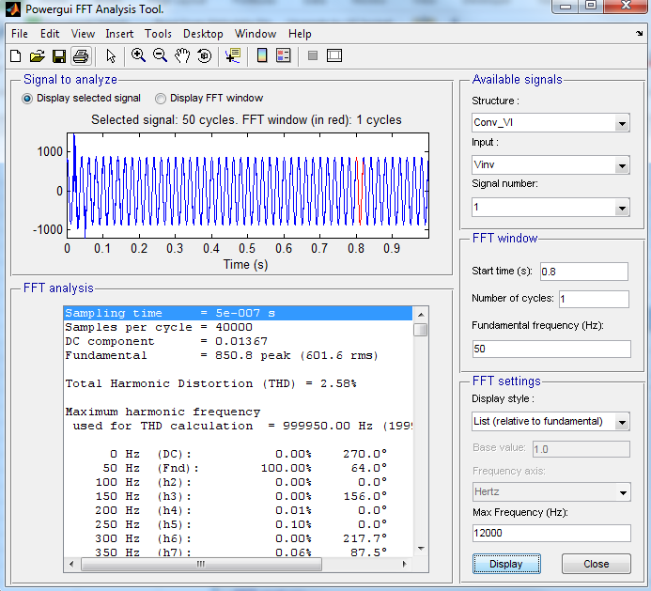
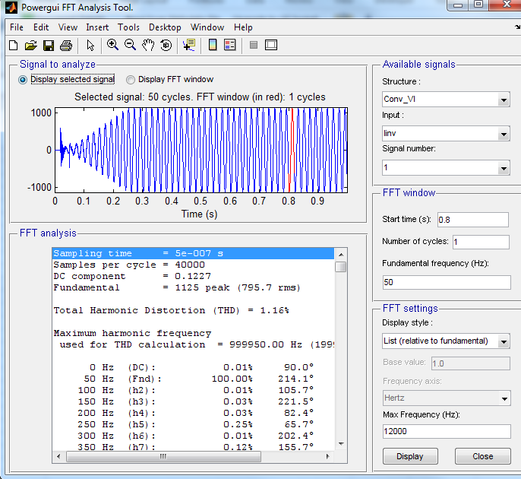
SLD showing converter application
Harmonic regulation limits
Loss budget allotted to the filter design |  |  |  |  |  |  |  | 1.Choose DC bus voltage (Vdc), Switching frequency (Fsw) , Resonance Frequency (Fres), Transformer inductance (Lgst) , Grid side inductance (Lg).
Size and cost constraints |  |  |  |  |  |  |  | 2.Calculate L1max using the equation derived by “Fundamental voltage drop caused by the filter impedance “-Equ 1 .
Grid short circuit MVA(Scc) min and Maximum |  |  |  |  |  |  |  | 3.Calculate the L1 using equation for ripple current limitation based on type of converter-Equ -2.
Transformer (GST) short circuit voltage(Ucc) |  |  |  |  |  |  |  | 4.Calculate L1 using equation( Equ-4) based on harmonic distortion limit at switching frequency and verify its value against the value obtained in step 3. Normally this value will be less than the value obtained in step 3. Hence, start design with L1 inductance value obtained in this step and in the design process get a good agreement between ripple limit, harmonic limit and cost.
Operating DC bus voltage (Vdc) |  |  |  |  |  |  |  | 5.Calculate filter capacitance (Cf) using resonance equation(Equ-5) , damping resistance (Rd) and damping inductance by equations (Equ-6 &7)
PWM Techinque |  |  |  |  |  |  |  | 6.Verify the frequency response of Y21 for its magnitude at switching frequency and resonance frequency.
Switching frequency |  |  |  |  |  |  |  | 7.Perform the time domain simulation to find out Vthd and Ithd.
Sampling frequency |  |  |  |  |  |  |  | 8.If Vthd<Vthdlimit,Ithd<Ithdlimit and L1,Cf are optimal values then go to step 10,else go to step 9
Modulation Index at nominal opertion and its variation range |  |  |  |  |  |  |  | 9.As a first choice , try to decrease the resonance frequency to improve the capacitive shunt branch harmonic attenuation performance and continue design from step 5. if there is no room to decrease the resonance frequency due to existence of harmonic at that frequency or limit on reactive power compensation , then try to increase converter side inductance (L1) and continue design form step 5.
Filter component tolerances |  |  |  |  |  |  |  | 10.Stop
Transformer impedance variation
Grid frequency variation
Grid voltage variation

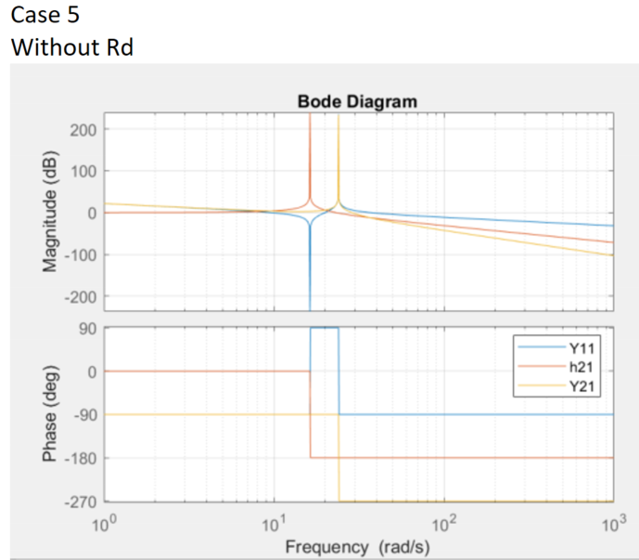
Cases |  | 1 | 2 | 3 | 4 | 5 | 6
w(2piF) |  | 314.15926536 | 314.15926536 | 314.15926536 | 314.15926536 | 314.15926536 | 314.15926536
Nominal AC voltage | V | 715 | 715 | 715 | 715 | 715 | 715
Nominal Current | A | 245 | 420 | 420 | 420 | 420 | 420
DC Bus voltage | V | 1450 | 1500 | 1500 | 1500 | 1500 | 1500
Switching frequnecy | Hz | 3000 | 2850 | 2850 | 2850 | 2850 | 2850
Resonance frequency -Selection | Hz | 1500 | 1390 | 1350 | 1300 | 1200 | 1100
Transformer Nominal power | VA | 835000 | 835000 | 835000 | 835000 | 835000 | 835000
T/F Short circuit Power |  | 0.07 | 0.07 | 0.07 | 0.07 | 0.07 | 0.07
T/F SC Power | VA | 11928571.429 | 11928571.429 | 11928571.429 | 11928571.429 | 11928571.429 | 11928571.429
T/F impedance | Ohm | 0.042857185629 | 0.042857185629 | 0.042857185629 | 0.042857185629 | 0.042857185629 | 0.042857185629
T/F Inductance ( L_TF) | Henry | 1.36E-04 | 1.36E-04 | 1.36E-04 | 1.36E-04 | 1.36E-04 | 1.36E-04
Grid Short circuit power | VA | 4.80E+08 | 4.80E+08 | 4.80E+08 | 4.80E+08 | 4.80E+08 | 4.80E+08
Grid SC impedance |  | 1.07E-03 | 1.07E-03 | 1.07E-03 | 1.07E-03 | 1.07E-03 | 1.07E-03
Grid Inductance | Henry | 3.39E-06 | 3.39E-06 | 3.39E-06 | 3.39E-06 | 3.39E-06 | 3.39E-06
Based on Inductive voltage drop with consider Only L value
L2 |  | 1.40E-04 | 1.40E-04 | 1.40E-04 | 1.40E-04 | 1.40E-04 | 1.40E-04
Lbase |  | 5.36E-03 | 3.13E-03 | 3.13E-03 | 3.13E-03 | 3.13E-03 | 3.13E-03
Ltpu_Max | Ω | 1.0277817245 | 1.0957173934 | 1.0957173934 | 1.0957173934 | 1.0957173934 | 1.0957173934
Lt_max | He | 5.51E-03 | 3.43E-03 | 3.43E-03 | 3.43E-03 | 3.43E-03 | 3.43E-03
L1_Max | Hen | 5.37E-03 | 3.29E-03 | 3.29E-03 | 3.29E-03 | 3.29E-03 | 3.29E-03
Based on Ripple current
Delta Ip_Max | A | 3.46E+01 | 5.94E+01 | 5.94E+01 | 5.94E+01 | 5.94E+01 | 5.94E+01
Lconv @ 1500V DC | Henry | 8.72E-04 | 5.54E-04 | 5.54E-04 | 5.54E-04 | 5.54E-04 | 5.54E-04
Lconv @ 1300V DC | Henry | 1.08E-03 | 4.80E-04 | 4.80E-04 | 4.80E-04 | 4.80E-04 | 4.80E-04
Based on the Harmonic limitation
Wbase_Freq |  | 50 | 50 | 50 | 50 | 50 | 50
Wsw |  | 60 | 57 | 57 | 57 | 57 | 57
Wres |  | 30 | 27.8 | 27 | 26 | 24 | 22
I2PU ( SW) | After Filter | 0.3 | 0.3 | 0.3 | 0.3 | 0.3 | 0.3
V1PU(SW) | Before Fliter | 11.63 | 11.63 | 11.63 | 11.63 | 11.63 | 11.63
Ltpu |  | 0.21537037037 | 0.21227287035 | 0.1967481203 | 0.17868599469 | 0.14655718983 | 0.11905121453
L2pu |  | 0.026067844879 | 0.044687734078 | 0.044687734078 | 0.044687734078 | 0.044687734078 | 0.044687734078
L1pu |  | 0.18930252549 | 0.16758513627 | 0.15206038622 | 0.13399826061 | 0.10186945575 | 0.074363480456
L1_Conv |  | 1.02E-03 | 5.24E-04 | 4.76E-04 | 4.19E-04 | 3.19E-04 | 2.33E-04

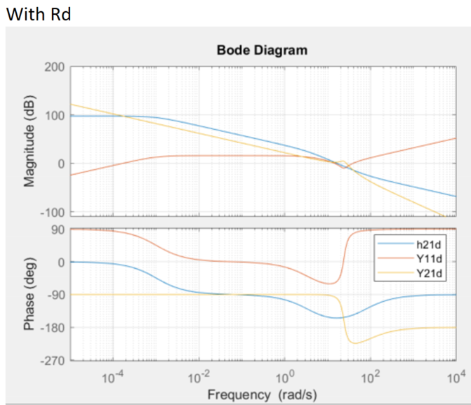
Lt |  | 1.16E-03 | 6.64E-04 | 6.16E-04 | 5.59E-04 | 4.59E-04 | 3.72E-04
L_Conv | H | 1.02E-03 | 5.24E-04 | 4.76E-04 | 4.19E-04 | 3.19E-04 | 2.33E-04
Leq |  | 1.23E-04 | 1.10E-04 | 1.08E-04 | 1.05E-04 | 9.72E-05 | 8.73E-05

Cf |  | 9.16E-05 | 1.19E-04 | 1.29E-04 | 1.43E-04 | 1.81E-04 | 2.40E-04
Manual Capacitance |  | 5.01E-04 | 5.01E-04 | 5.01E-04 | 6.68E-04 | 6.68E-04 | 6.68E-04
Re-estimated the line filter value( Leq) |  | 2.25E-05 | 2.62E-05 | 2.77E-05 | 2.24E-05 | 2.63E-05 | 3.13E-05
Converter Inductance Value (L1) |  | 2.68E-05 | 3.22E-05 | 3.46E-05 | 2.67E-05 | 3.24E-05 | 4.04E-05
GST + Grid inductance (L2) |  | 1.40E-04 | 1.40E-04 | 1.40E-04 | 1.40E-04 | 1.40E-04 | 1.40E-04
Lequ-Final ( L1//L2) |  | 2.25E-05 | 2.62E-05 | 2.77E-05 | 2.24E-05 | 2.63E-05 | 3.13E-05
Resoance frequency (Fres) |  | 1.50E+03 | 1.39E+03 | 1.35E+03 | 1.30E+03 | 1.20E+03 | 1.10E+03
Maximum Frequency Limit (Fsw/2) |  | 1500 | 1425 | 1425 | 1425 | 1425 | 1425

